ALL Teacher Overview
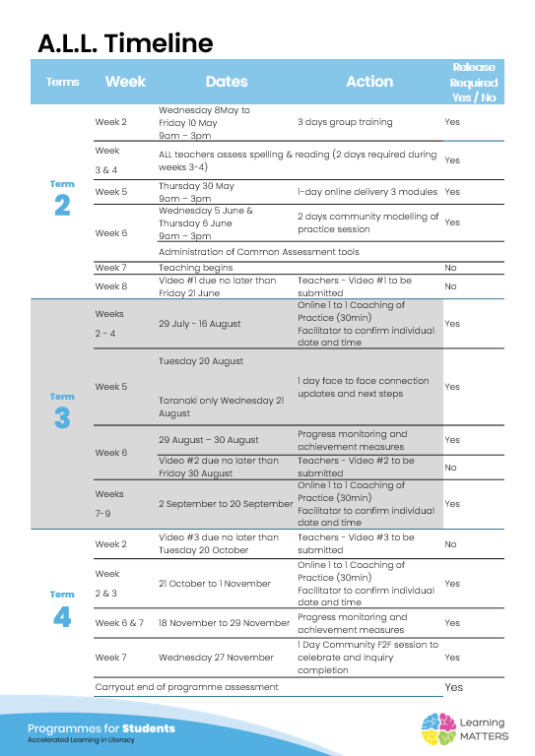

Roadmap
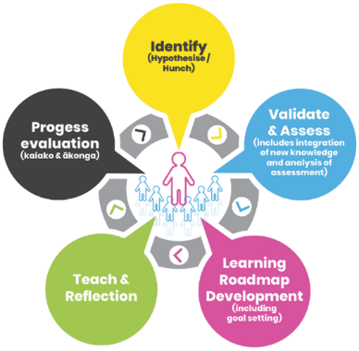 |  | The Inquiry cycle understood …
 |  | Hunch | Phonological knowledge of spelling patterns and rules. Being able to encode and decode at stage one level. No basic punctuation.
 |  | Validate and Assess | Testing showed that these children were very low in their spelling tests. They were unable to spell whole words and missed many sounds. This will be affecting their writing and also their abilities to decode at reading times.
 |  | Roadmap Actions | I will see this group for an additional 20 minutes each day on a structured phonics group. Testing shows I need to take them back to around the Floss stage. I will take my whole class back to here and front load these children for the class lessons. They have a few letter confuctions so I will review these daily.
 |  | Goal Setting | My goal: To become familiar with and confident with using the stage 1 phonics lessons on the IDeaL platform both with my whole class and the small intervention group. Students:To accelrate their learning to a level similar to their peers - by the end of the intervention to be encoding & decoding the stage 1 sounds. I would like to see a huge improvment in their spelling assessment results (no longer at Tier 2 intervention levels!)
 |  | Teaching | 1.Review previously taught concepts. 2. Teach the new concept that they will meet again in the class lesson that day. 3. Decode, encode, decode. 4. Dictated sentence I will follow the format on the slides from IdeaL.
 |  | Reflection | You will be required to reflect throughout your roadmap at regular intervals, particularly after observations and coaching sessions.
 |  | Progress evaluation | At the beginning of Term 3 and again at the end of term 4 you will evaluate the progress both you and your students have made.

Roadmap for implementation and tracking progress and actions
Now use the information and reflections above to map out your roadmap and set goals for your inquiry. ALL participants will be required to keep a journal of their progress and actions. This will assist in monitoring achievements and progress towards teacher and student goals.
Term 2 Goal Setting
Teacher goal |  | To become familiar with the slides and concepts at stage 1. To be able to confidently teach these to a small focus group as well as the whole class.
Student outcome goals |  | To improve their phonological awareness. To be able to encode/decode confidently. Improve their understanding of open/closed syllables and digraphs.

Term 2 Roadmap
Week | Focus | Teacher Actions | Reflection and next steps
7 | open/closed syllables | Become familiar with the iDeal platform and the lesson sequence. | It takes me quite a bit of time to figure out the slides- not sure I am managing them effectively. It is good practise doing it with the group and then the whole class. Sure the more I use it the morefamiliar I will become with it. Great resource for sending home information to the parents what we are doing. Managing my neuro diverse student can be tricky.
8 | digraphs sh
9 | Digraph ch |  | The children found this alot easire and are starting to retain the sentence much better! I need to work on the lesson on morphology and make sure I now how to teach this before a Thursday/Friday session. They have become very excited to see what character they are going to meet the following week. I am worried about Ryleighs retention.
10 | Two sounds of digraph th

Term 2 Evaluation & Term 3 Goal Setting
Student progress and next steps
Teacher progress and next steps |  | I have b ecome a lot more cofident with teaching the basic lessons to the whole class and the group. I need to work on Day 4 and making sure I am teaching the morphology lesson better.

Term 3 Roadmap
Week | Focus | Teacher Actions | Reflection and next steps
1 | ng digraph | Look at the two week block for teaching this and ensure I know the format. Have the group ready to go on Monday day #1. | Print the sentence strips for home support. Make sure the children have a game to follow up with in class. Completed a spelling assessment and all children have improved. Odette is flying ahead! Renee is still struggling with some of the earlier concepts. The others seem to have retained everything that has been taught so far. There is a need to get to the longer vowel teams soon!
2 | ck - longer spelling after short ck | When a word has 1 syllable, and it has a short vowel sound directly followed by the /k/ sound, the correct spelling is ‘ck’. | Make sure that I am using the feedback given and include the decode, encode, decode steps suggested.
3 | Hopper - double the final consonant before adding the suffix | Make sure i am reading the notes down the side of the lessons. Decode, encode, decode. | I have been much better this week at using the notes and ensuring the children are verbalising as the write the sounds etc. have been trying hard to ensure decode, encode, decode. Also making sure the children read the sentence before I do (I wasnt doing this previously) I will need to take the two weeks for this concept as it is harder and my whole class need more work on it.
4 | Hopper - week 2 | Remember to tell the children what we have been learning about at the end of each session | Need to keep working on making sure i follow the decode, encode, decode format and revise at the end of the session what we have been learning. I have moved Odette into my reading groups as I know the sounds she knows and can now work her reading in with the phonics lessons. Ryleigh still confusing b and d.
5 | Concept # 16 Silent e on the end forcing the vowel to make a long sound | Testing to be completed this week | what have I noticed about my teaching practice? What have you noticed about your students progress? What impact or improved practice have you seen? I have noticed that I have a much better undertanding of the scope and sequence. I have been much more aware of making sure I decode, encode, decode and finish my lesson on what we have been learning. I am slowly learning how to follow the ideal teaching practices - the feedback from my video lesson was great as it told me explicitly what I needed to focus on next. All students have made good progress with the encoding and seem to have retained most of the concepts I have taught so far. Odette is the child making the most progress. This is refelceted in her writing and reading in class. Sirus and Athena are where they should be for their year group but I do need to work on fluency rates with them to ensure they meet end of year levels. I am worried about Ryleighs retention and Renee still has some trouble retaining concepts. However they both have made progress.
6 | Concept # 16 Silent e on the end forcing the vowel to make a long sound | Video. Make sure I am doing the review section at the end of each lesson. | I am noticing a real improvment with Odettes reading & writing in class. Next step is to make sure the children are transfering what they are learning in the phonic sessions to their writing across the curriculum. Still struggling with Sirus and his letter formations. We have trailled pencil grips but his letters are very shaky. Watched Sarah do her lesson and it reminded my of points that I need to work on in my group/whole class lessons.
7 | Concept # 17 r controlled | Garth the Shark | A messy week as i had two days of training with the iDeaL team for Y0-3 SL. It was great to go over a lot of the learning again and also do some new learning. Was also good to have my teacm training with me, hearing the same information and now we can all continue on the journey together. However, the children only got three sessions this week. Will need to do another week on ar controlled.
8 | Concept # 17 r controlled | Garth the Shark | Reading flurncy checks on Odette show she has moved from 9 words to 32 over the course of the intervention. Ryleigh continues to struggle with fluency when reading. An RTLit referral ha been made. Sirus and Athena are both making good progress with their fluency, easttle writing completed. All children were 1P - abit more work before the end of the year but some good progress.
9 | Concept # 17 r controlled | Burt the quirky Hermit | Having completed our next PLD fo SL I had to retest all my class on spelling, ORF and NWF. Was interesting to see that 16/21 children in the class have now completed stage 1 and are on stage 2. Three children completed the stage 2 which is very impressive! However, only 2/5 children in my SL group passed stage 1. Odette was one word off and the others had all progressed. We still have 8 weeks of learning in term 4 so I will be hoping to complete stage 1 with them. The tricky part will now be teaching three distinct levels in my class. Great to see Odette doing well in the NWF and being where she needs to be. Sirus and Athena also in the correct colour for their year group. Ryleigh and Renee continue to be the two that struggle although have made progress. They will just take a lot longer and need more repeats.
10 | Concept # 17 r controlled | Burt the quirky Hermit

Term 3 Evaluation & Term 4 Goal Setting
Student progress and next steps
Teacher progress and next steps

Term 4 Roadmap
Week | Focus | Teacher Actions | Reflection and next steps
1
2
3
4
5
6
7
8

Term 4 Evaluation & Final Reflections
Student progress and next steps
Teacher progress and next steps

